Introduction
Splitting Text
using Excel Function, Text to column and Flash Fill
Topics
1. Working with Deliemeters
2. Working with Dates
3. Left, Right, Mid, Find Functions
4. Flash Fill
5. Examples

YouTube.com/fxexcel
funXExcel.com
fxexcel@gmail.com
@_thecoolgeek
by thecoolgeek

SptTxt1
Splitting Text 1 : Delimiters
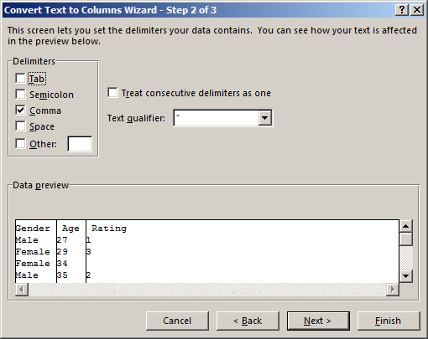
With 2 Missing values
Gender, Age, Rating
Female,,4
Female,29,3
Female,34,
Male,35,2
Male,27,1
Male,21,1
Male,25,2
Female,21,1


With consecutive delimeters (no space)
Gender, Age, Rating
Female,,4
Female,29,,3
Female,34,
Male,35,2
Male,27,1
Male,21,1
Male,25,2
Female,21,1


With consecutive delimeters (with space)
Gender, Age, Rating
Female, ,4
Female,29,,3
Female,34,
Male,35,2
Male,27,1
Male,21,1
Male,25,2
Female,21,1

SptTxt2
Splitting Text 2 : Special Characters

Gender, Age, Rating
Male-27-1
Female-29-3
Female-34-
Male-35-2
Female--4
Male-21-1
Male-25-2
Female-21-1

SptTxt3
Splitting Text 3 : Changing Date Format
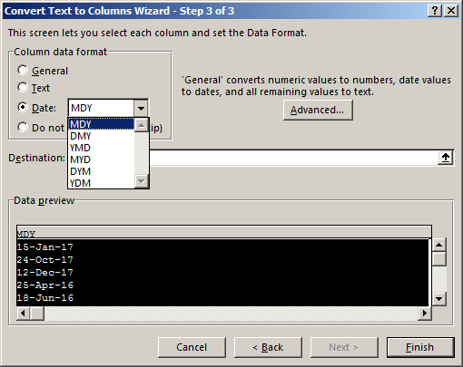
Date
15-Jan-17
24-Oct-17
12-Dec-17
25-Apr-16
18-Jun-16
09-Jul-16

SptTxt5
Splitting Text 5 : Qualifiers
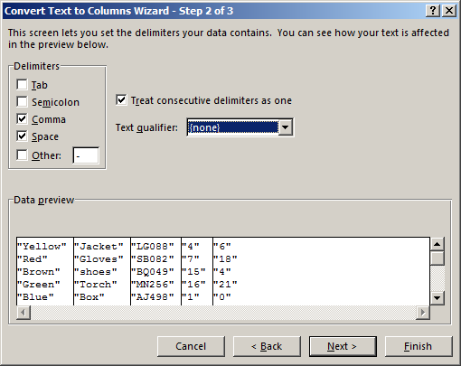
"Color" "Item" "Code" "Quantity" "Stock"
"Yellow" "Jacket" "LG088" "4" "6"
"Red" "Gloves" "SB082" "7" "18"
"Brown" "shoes" "BQ049" "15" "4"
"Green" "Torch" "MN256" "16" "21"
"Blue" "Box" "AJ498" "1" "0"
"Purple" "Cover" "AQ072" "4" "11"

